Dashboard
Test Scenarios Overview |  |  |  | Status | Severity
Status | MN - app Scenarios | kulula App - admin scenarios | Total | Not started | 1 - Critical
Not started | 0 | 0 | 0 | In progress | 2 - High
In progress | 0 | 0 | 0 | Completed OK | 3 - Medium
Completed OK | 0 | 0 | 0 | Failed | 4 - Low
Failed | 0 | 0 | 0 | Cannot be executed
Cannot be executed | 0 | 0 | 0
Total | 0 | 0 | 0

Failed Tests Overview
Status | MN - app Scenarios | kulula App - admin scenarios | Total
1 - Critical | 0 | 0 | 0
2 - High | 0 | 0 | 0
3 - Medium | 0 | 0 | 0
4 - Low | 0 | 0 | 0
Total | 0 | 0
kulula App - admin scenarios
MN - app Scenarios

Check-in process flows
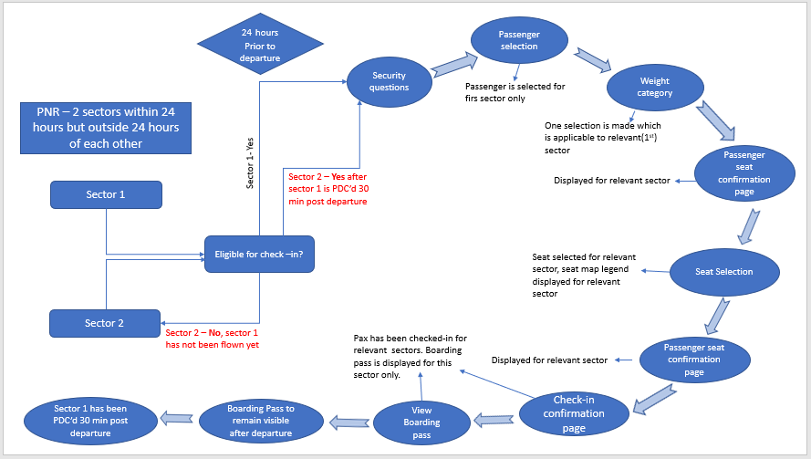
PNR - 2 sectors within 12 hours of each other

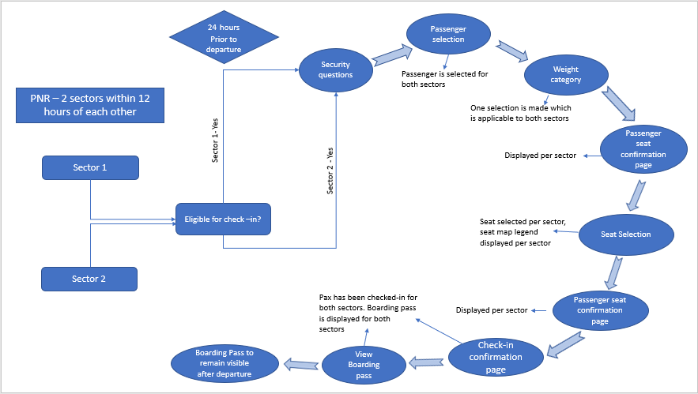

PNR - 2 sectors within 24 hrs but outside 12 hrs of each other



PNR - 2 sectors within 24 hrs but outside 24hrs of each other

Flight cancellation process flo
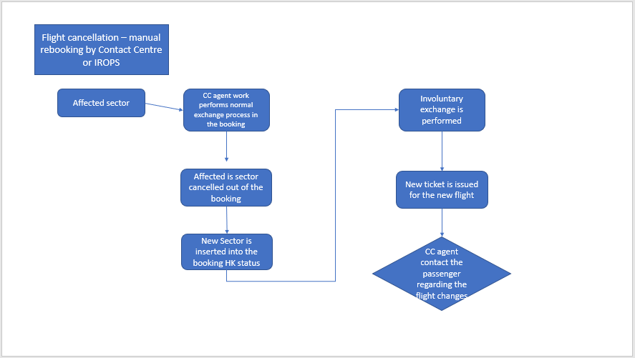
Flight Cancellation - revenue rebook(transfer) - within 72 ops window period

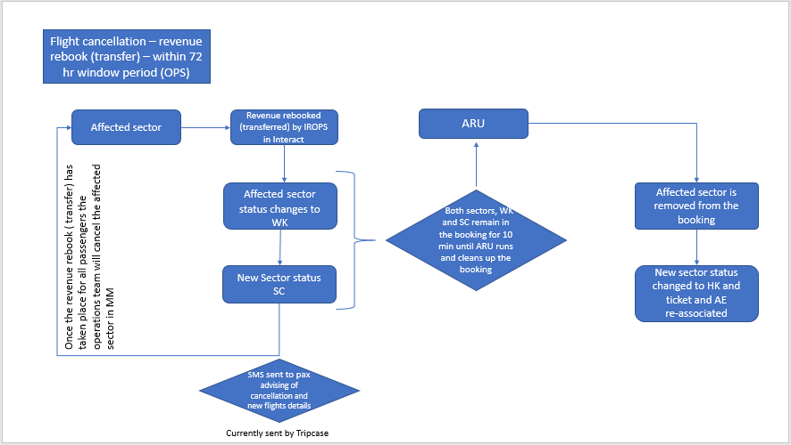

Flight Cancellation- revenue rebook(transfer)- outside 72hr ops window

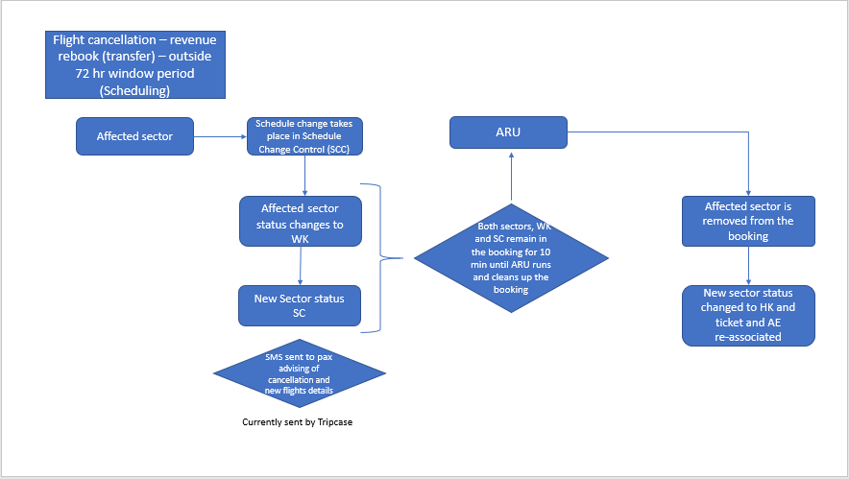

 | Flight cancellation - manual rebooking by Contact Centre

